Data Types Mapping in nCino
nCino Field Types | Spanner Data Types | Notes
Auto Number | String
Checkbox | BOOL | Field Type 'Boolean' should be labelled as Checkbox
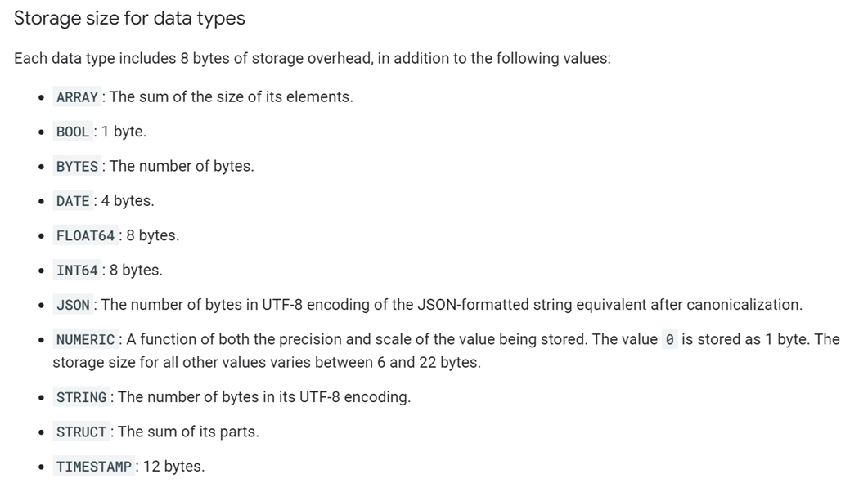
currency | String
Currency (GBP) | String
Currency(16, 2) | String
Currency(18, 0) | String
CurrencyIsoCode | String
Date | Date
double | Float64
Email | String
FirstName | String
Formula (Checkbox) | BOOL
Formula (Checkbox) | BOOL
Formula (Currency) | String
Formula (Currency) | String
Formula (Number) | Numeric
Formula (Number) | Numeric
Formula (Text) | String
Formula (Text) | String
Formula (Text) This formula references multiple objects | String
hierarchy | String
int | String | Max char 256
LastModifiedBy | String
Long Text Area(32768) | String | 32768 max char
lookup | String | Lookup is reference ID
Lookup (User, Group) | String | Lookup is reference ID
Lookup(Account) | String | Lookup is reference ID
Lookup(Covenant Mgmt) | String | Lookup is reference ID
Lookup(Covenant Type) | String | Lookup is reference ID
Lookup(Deal) | String | Lookup is reference ID
Lookup(Facility) | String | Lookup is reference ID
Lookup(OU Code) | String | Lookup is reference ID
Lookup(Profile) | String | Lookup is reference ID
Lookup(Relationship) | String | Lookup is reference ID
Lookup(Role) | String | Lookup is reference ID
Lookup(Screen) | String | Lookup is reference ID
Lookup(Security Type) | String | Lookup is reference ID
Lookup(Security) | String | Lookup is reference ID
Lookup(SIC Code) | String | Lookup is reference ID
Lookup(Spread Statement Period) | String | Lookup is reference ID
Lookup(Spread Statement Record) | String | Lookup is reference ID
Lookup(Spread Statement Total Group) | String | Lookup is reference ID
Lookup(User) | String | Lookup is reference ID
Lookup(User,Group) | String | Lookup is reference ID
Master Detail | String | with reference ID
Master-Detail(Account) | String | with reference ID
Master-Detail(Covenant Mgmt) | String | with reference ID
Master-Detail(Customer) | String | with reference ID
Master-Detail(Facility) | String | with reference ID
Master-Detail(Pricing) | String | with reference ID
mutli-select picklist | Array | Values within the array are string - CSV
Name | String
number | Numeric
Number(12, 2) | Float64 | 12 integers, 2 decimal value
Number(15, 2) | Float64
Number(15, 3) | Float64
Number(16, 2) | Float64
Number(18, 0) | Float64
Numeric | Numeric
percent | Float 64
Percent(16, 0) | Float 64
Percent(16, 2) | Float 64
Percent(18, 0) | Float 64
Percent(3, 2) | Float 64
percentage | Float 64
Phone | String
Picklist | String
Picklist (Multi-Select) | Array | of String
picklist/defaulted value from picklist | String | with defaulted value
Record Type | String | reference ID
Rich Text Area(32768) | String | 32768 max char
Roll-Up Summary (COUNT Security Pledged) | Int64
Roll-Up Summary (SUM Security Pledged) | Float64
string | String
Text | String
Text (External ID) (Unique Case Sensitive) | String
Text Area | String
Text Area(255) | String
Text(10) | String
Text(100) | String
Text(18) (External ID) | String
Text(19) | String
Text(20) | String
Text(225) | String
Text(25) (External ID) (Unique Case Insensitive) | String
Text(255) | String
Text(255) (External ID) (Unique Case Insensitive) | String
Text(255) (External ID) (Unique Case Sensitive) | String
Text(3) | String
Text(40) | String
Text(6) | String
Text(8) | String
Text(80) | String

